DM_DC
Debt Management of the Company |  |  |  |  |  | 2019 | 2018
Debt to total capital ratio | = | Long Term Debt/Total Capital | = | Long Term Debt/(Total Equity + Long Term Debt) | = | 4.9616 | 0.7449
Total Capital | = | Total Equity + Long term debt | =
A measurement of a company's financial leverage, calculated as the company's debt divided by its total capital. Debt includes all short-term and long-term obligations. Total capital includes the company's debt and shareholders' equity, which includes common stock, preferred stock, minority interest and net debt
The higher the debt-to-capital ratio, the more debt the company has compared to its equity. This tells investors whether a company is more prone to using debt financing or equity financing. A company with high debt-to-capital ratios, compared to a general or industry average, may show weak financial strength because the cost of these debts may weigh on the company and increase its default risk.
A company's debt-to-capital ratio or D/C ratio is the ratio of its total debt to its total capital, its debt and equity combined. The ratio measures a company's capital structure, financial solvency, and degree of leverage, at a particular point in time. The data to calculate the ratio are found on the balance sheet.
The total debt-to-capitalization ratio is a tool that measures the total amount of outstanding company debt as a percentage of the firm’s total capitalization. The ratio is an indicator of the company's leverage, which is debt used to purchase assets.

DM_TLA
Debt Management |  |  |  | 2019 | 2018
Times Interest earned Ratio | = | Ebit/Interest Charges | = | -5.8152771715 | -5.5842708573

The relative amount of operating profit against the company's payment obligations.
The times interest earned ratio is calculated by dividing income before interest and income taxes by the interest expense.Both of these figures can be found on the income statement. Interest expense and income taxes are often reported separately from the normal operating expenses for solvency analysis purposes. This also makes it easier to find the earnings before interest and taxes or EBIT.
The times interest ratio is stated in numbers as opposed to a percentage. The ratio indicates how many times a company could pay the interest with its before tax income, so obviously the larger ratios are considered more favorable than smaller ratios.In other words, a ratio of 4 means that a company makes enough income to pay for its total interest expense 4 times over.
Said another way, this company’s income is 4 times higher than its interest expense for the year.
Values found in Income Statement
EBIT = Operating Income
Interest Charges = Interest Expense

DM_TLE
Debt Management |  |  |  | 2019 | 2018
Debt Ratio | = | Total Liabilities/Total Assets | = | 1.0763902382 | 0.85143583266

Essentially, only its creditors own half of the company’s assets and the shareholders own the remainder of the assets. A ratio of 1 means that total liabilities equals total assets. In other words, the company would have to sell off all of its assets in order to pay off its liabilities.
The debt to assets ratio formula is calculated by dividing total liabilities by total assets.As you can see, this equation is quite simple. It calculates total debt as a percentage of total assets. There are different variations of this formula that only include certain assets or specific liabilities like the current ratio. This financial comparison, however, is a global measurement that is designed to measure the company as a whole.
Analysts, investors, and creditors use this measurement to evaluate the overall risk of a company. Companies with a higher figure are considered more risky to invest in and loan to because they are more leveraged. This means that a company with a higher measurement will have to pay out a greater percentage of its profits in principle and interest payments than a company of the same size with a lower ratio. Thus, lower is always better.

DM_DE
Debt Management |  |  |  | 2019 | 2018
Debt To Equity Ratio | = | Toatal Liabilities/Total Equity | = | -1.6388040414 | 3.5043306686

The debt to equity ratio is a financial, liquidity ratio that compares a companys total debt to total equity. The debt to equity ratio shows the percentage of company financing that comes from creditors and investors. A higher debt to equity ratio indicates that more creditor financing (bank loans) is used than investor financing (shareholders). The debt to equity ratio is calculated by dividing total liabilities by total equity.
Each industry has different debt to equity ratio benchmarks, as some industries tend to use more debt financing than others. A debt ratio of .5 means that there are half as many liabilities than there is equity. In other words, the assets of the company are funded 2-to-1 by investors to creditors. This means that investors own 66.6 cents of every dollar of company assets while creditors only own 33.3 cents on the dollar.
A lower debt to equity ratio usually implies a more financially stable business. Companies with a higher debt to equity ratio are considered more risky to creditors and investors than companies with a lower ratio. Unlike equity financing, debt must be repaid to the lender. Since debt financing also requires debt servicing or regular interest payments, debt can be a far more expensive form of financing than equity financing.

EBITDA
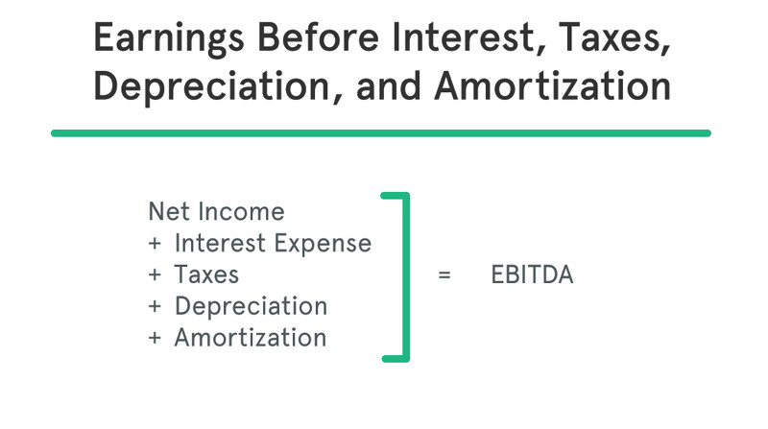
Profitability Ratio |  |  |  | 2019 | 2018
EC | = | (EBITDA+Lease Payments)/(Interest+Principal Payments+Lease Payments) | = | -0.20813119693 | -1.6002515812

The relative amount of operating profit before depreciation amortisation and lease payment against the firm fixed financial obligations
EBITDA, which stands for Earnings Before Interest, Taxes, Depreciation, and Amortization, is a financial calculation that measures a company’s profitability before deductions that are often considered irrelevant in the decision making process. In other words, it’s the net income of a company with certain expenses like amortization, depreciation, taxes, and interest added back into the total.
It’s a profitability calculation that measures how profitable a company is before paying interest to creditors, taxes to the government, and taking paper expenses like depreciation and amortization. This is not a financial ratio. Instead, it’s a calculation of profitability that is measured in dollars rather than percentages.
Like all profitability measurements, higher numbers are always preferred over lower numbers because higher numbers indicate the company is more profitable.

